Data Types and Structures
 | Data Types
 |  |  |  |  | Base Python |  | Pandas

Numbers |  |  |  |  | Py 2.x | Py 3.x | Pandas
 | Numbers without Decimals |  |  |  | Int | int | int64
 | Big numbers without Decimals |  |  |  | long | int
 | any number with Decimals |  |  |  | Float | Float | Float64
 | number with real and imaginary Part |  |  |  | Complex | Complex | -- NA--

Internally as numbers |  |  |  |  | Bool | Bool | Bool
 | Logicall/ Boolean Values

Date and time |  |  |  |  | __ | __ | Datetime64
( date has to be a number at its backend)

 | Excel | 45184 |  | number of days starting from 1 Jan 1900
 | SAS |  |  | number of days starting from 1 Jan 1960
 | R |  |  | number of days starting from 1 Jan 1970
 | Python

Text(String) values |  |  |  |  | str | str | Object

# Data Structures of Base Python |  |  |  |  |  |  | # Data Structures of Numpy |  | [Numbers]

One 1 dimensional, heterogenous DS |  |  |  |  |  |  | 1- Array | [ one Column] | One dimensinal Homogenous Object
1- tuple - basic |  |  |  |  |  |  | 2 - Ndarray |  | 2 or multi - dim Homogenous object
2- list *****
3- set *
4. dictionary ***
 |  |  |  |  |  |  | # Data Structures of Pandas

 |  |  |  |  |  |  | 1- Series | [ one Column] | One dimensinal Homogenous Object
 |  |  |  |  |  |  | 2 -Dataframe | [ one Table] | 2 dim Heterogenous object

 | In DS, we have to deal with lot of steps or processing in order to
 |  | Import the data |  | 1000s
 |  | Manipulate the |  | 1000s
 |  | export |  | 1000s
 |  | report |  | 1000s
 |  | Charting/ plotting |  | 1000s

 | What is Module - but a simple .py file
 |  |  | Set collection of Functions and attribution

 |  | when you will put M1 + M2 … ( similar related modules) in a folder
 |  | then that folder is called Package

 |  | Data Structures of Numpy

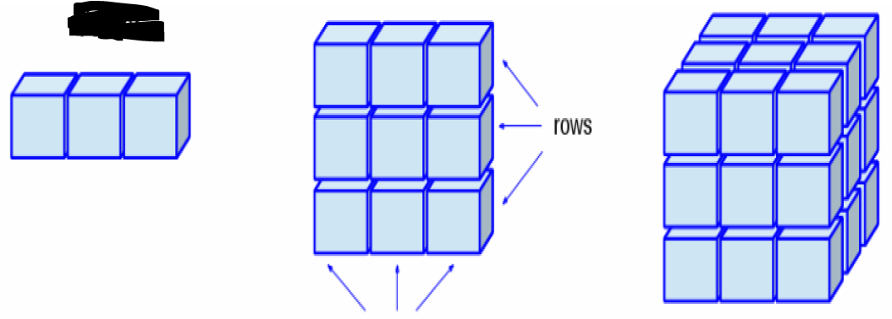
 | I D homogenous

 |  | Data Structures of Pandass

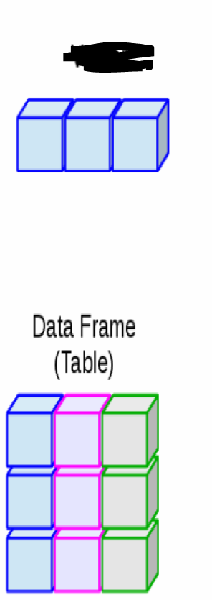

 |  |  |  |  |  |  | I D homogenous

 |  |  |  |  |  |  | SERIES

 |  |  | Base Python |  | Numpy |  | PANDAS

 | Data Types |  | INT| FLOAT| STR| BOOL | COMPLEX |  | IN | INT | FLOAT | INT64 | FLOAT64 | OBJECT | BOOL | - | DATETIME64

 | Data Structures |  | TUPLE | LIST | SET | DICTIONARY |  |  | ARRAY | NDARRAY | SERIES [ COLUMN] | DATAFRAME [TABLE]

 |  |  | I DIM HETEROGNEOUS |  |  | 1D | MULTI DIM - HOMOGENOUS | 1 D HOMO | 2D HETERO

P Value
P is low (Lower then 0.05) - NULL will GO ( Rejecting the NULL - Why ? Because you got Enough proof) |  | strong evevidence for rejecting NULL HYPOTHSEIS | the sample picked is having very less probability coming from the population

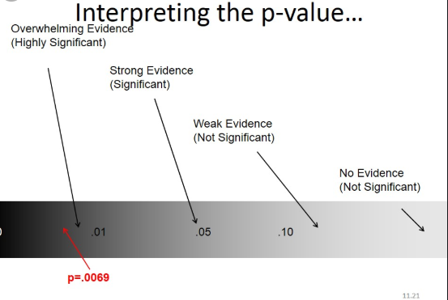
P is High - NULL will FLY |  | Weak evevidence for rejecting NULL HYPOTHSEIS

Level of significance is < 5% or P = 0.05

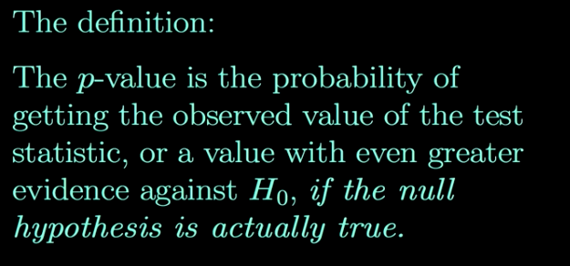

P value | if P is low > NULL will GO; If P is high( higher then 0.05) then NULL will FLY ( accept the NULL HYOTHESIS)
Hypothesis - NULL and Alternate |  | There is very high probability that the sample mean = population mean

R2 Derivation
stores | Marketing Spend | Sales | Predicted Sales - Y | Predicted Error( Based on Model) | Error 2 from the mean |  | Error square | APE
101 | 40 | 109 | 118.21 | 85 | 18 | Error ^2 | 85 | 8% | APE
102 | 30 | 129 | 96.87 | 1033 | 248 |  | 1033 | 25%
103 | 25 | 100 | 86.19 | 191 | 176 |  | 191 | 14%
104 | 29 | 102 | 94.73 | 53 | 127 |  | 53 | 7%
105 | 33 | 89 | 103.27 | 204 | 588 |  | 204 | 16%
106 | 22 | 80 | 79.78500 | 0 | 1106 |  | 0.0462 | 0%
107 | 64 | 160 | 169.45 | 89 | 2186 |  | 89 | 6%
108 | 32 | 110 | 101.13 | 79 | 11 |  | 79 | 8%
109 | 52 | 140 | 143.83 | 15 | 716 |  | 15 | 3%
110 | 90 | 230 | 224.96 | 25 | 13631 |  | 25 | 2%
111 | 20 | 45 | 75.51 | 931 | 4658 |  | 931 | 68%
112 | 15 | 65 | 64.84 | 0 | 2328 |  | 0 | 0%
 |  | 113.25 |  | 2704 | 25790 | MSE>>> | 225 | 13% | MAPE | Mean of APE
 |  |  |  | 225 |  | RMSE >> | 15.011265492
 |  |  |  |  |  |  | RMSE |  | MAPE
 |  |  | R2 - Coefficeint of determination | Actuall - Predicted | 89.5%
 |  |  |  | Atuall Error

 |  |  | OLS

 |  |  | Actuall R2 | Adjusted R2

 |  |  | What is the Difference B/w R2 and Adjust R2
 |  |  | What does that means if you have a significant difference between R2 and Adjusted R2 (2 - 5%)

 |  |  | The increase of the R2 might be artificially increased with the inclusion of some insignificant Variables ( May be because of mnulticolloniearity)

 |  |  |  | Always, Adjusted R2 will be Lesser or Equal to R2

Assumption_Steps in Reg
Flow chart - Steps to follow for Predictive modeling [ regresssion ]

Bussiness Problem statement

step 1 - Convert the Bussiness problem into a mathematical Problem
 | Find the Y and X
 |  |  | Dependent ad Independent Variables

 | Making friend ship with the data after importing the data from the various sources…
Step 2 | Data Audit |  | EDA - Exploratory Data Analysis |  |  |  | Continous - MAX MIN Q1 Q2 Q3 P99 P1 RANGE | STD VAR | AVG |  |  |  |  |  | age | Location
 |  | Understand your Data |  |  |  |  | Categorical - Freq | MODE |  |  |  |  |  | 23 | Noida
 |  | Histograms | Scatter Plot |  |  |  |  | Univariate Bi Variate Multivariate |  |  |  |  |  | 34 | Delhi
 |  |  |  |  |  |  |  |  |  |  |  |  | 45 | Bangalroe
 |  | Missing values/ Outliers / Duplicates

 | Data Cleaning activities |  |  |  | Any Extreme Value : outliers |  |  |  |  | IQR = Q3 - Q1 = 50% of data |  |  | 23 | Noida
 |  | Outliers Treatment |  |  | Capping : >P99 | <P1 [ Mean + / - 2.5 STD/ 2.75STD/ 3STD] |  |  |  |  | Q1 - 1.5 * IQR | Q3 + 1.5 * IQR |  |  | 67 | Delhi
 |  | Missing Values Treatment |  |  | Deleting the rows | Impute that with Average or with Zero or KNN | Deleting the Column itself |  |  |  |  |  |  |  | 89 | Bangalroe
 |  | Duplicates |  |  |  |  |  |  |  |  |  |  | -23 | Bangalroe

 |  | Data Type conversions

 |  |  |  |  |  |  |  |  |  |  |  |  | 200 | Oregon
 | Preparing the data
 |  | Assumptions |  | Statistical condition for regression |  |  | What | Why | How |  |  |  |  | 12
 | Important |  | 1- Y Should be normal |  |  | histogram |  |  |  |  |  | 23
 |  |  |  | If Y Is not Normal, You have to make it normal |  |  |  | Log transformations |  | or Log(Log())

 |  |  | 2- Y should not have any missing vlaues |  |  | Why ? | Not to impute - but delete the entire ROW
 |  |  |  |  |  |  |  |  |  |  |  |  |  |  | outlier
 |  |  | 3- There must be a relation between Y and X |  |  |  | Why ? |  | Correlation Matrix |  |  |  | What is ___
 |  |  |  |  |  |  |  |  | Scaterr PLOT | Joint Plot |  |  |  | How ______ |  |  | DOB | AGE | DOJ | Tenure | Salary | Tax ( .10 of Salary)
 |  |  |  |  |  |  |  |  |  |  |  |  | Why to use ___
 |  |  | 4- There Must NOT be Any relationship between the X variables |  |  |  |  | internal relationship with the X variable |  |  |  |  | What are the Adv o f___
 |  |  |  | Multicollinearity in the data |  | Correlation should not be there |  |  |  |  |  |  | What are the Disadv ___
 |  |  |  |  | Corr() - for correlation Matrix |  |  |  |  |  |  |  | what if not using ?
 |  |  | Insignificant variables to be removed |  |  |  |  |  | NUANCES/ NOISE IN THE DATA
 |  |  |  | Regularization - Lasso | Ritz |  | Variable Reduction Tech Feature Selection
 |  |  |  | P value in linear reg model |  |  |  | *** ** * . |  |  |  |  | Y = 2x1 - 3X2 + 3x3 |  | x2 = 3X1
 |  |  |  | Corr
 |  |  |  | STEPAIC | [ Backward | Forward | Both ] |  |  |  |  |  |  |  | Y = 2 x1 - 9 x1 + 3X3
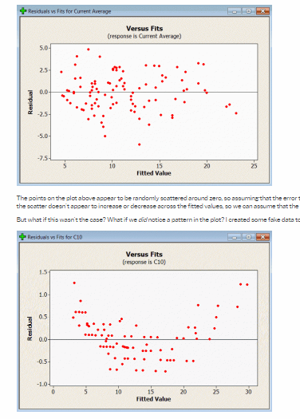
 |  |  |  | VIF - Variance inflation Factor |  |  |  |  |  |  |  |  | y = - 7X1 + 3X3
 |  |  |  | FACTOR Analysis
 |  |  | 5- My data should not be heteroscedastic
 |  |  | I should have homoscedasticity in the data

 |  |  | If, with the increase in the value of X, the VArianCE in Y Is increasing - Heteroscedasticity

 |  |  | 6 - IF YOU PLOT THE ERROR CHART - IT SHOULD BE RANDOM ( It should not have pattern in the data)

 | Data Manipulations and Wrangling
 |  | Appending/ merging, sorting, aggregating, grouping, filtering, subseting, transforming

 | one final consolidated TABLE

 | Split the data into two parts |  |  | 60/ 40 | | 80/20 |70/30 | Training : TESting
 |  |  | Development |  |  | Validation
 |  |  | Training |  |  | Testing

 | You will buid the model on Training DATASET

 |  | after building the model, you will check/ fine tune the acccuracy of the model |  |  |  |  |  |  | R2 | Adj 2 | RMSE | MAPE
 |  | if it is less then expected, then you will further fine tune the a) data/ b) modeling methodology ITERATIVELY…
 | You will finalise the model

 | Validating the model on test data after fine tuning |  |  |  |  |  |  |  |  |  | Noise in the data.. Missing values. Additional irrrelevant variables + outliers

 | you got the final mathematical equation or output |  |  |  |  | Bs C

 | You will convert that mathematical output as

 |  |  |  |  | Bussiness Solution

 | Overall Model Evaluation Criteria | Performance Metrices for Linear Regression:

 |  | R2 |  | >60 | 90
 |  | Adjust R2 |  |  | 82
 |  | F Statistics | | ANOVA
 |  | P Value |  |  |  |  |  |  |  | Training
 |  | RMSE |  |  |  | Pred Values Y |  | Actuall Y | Deciles | Step - 1 Do the deciling based on Pred Y | Deciling | Avg_Act_Sales | Avg_Pred Sales
 |  | MAPE |  |  |  |  |  |  | 1 | After that, Group the data on each decile | 1 | 56 | 55
 |  | Decile Analysis | Rank Ordering . |  |  |  |  |  |  | 2 | Avg_Act Y | Act_ Pred Sales | 2 | 58 | 60
 |  |  |  |  |  |  |  |  |  |  | 3 | 59 | 60
 |  |  |  |  |  |  |  |  |  | Testing | 4 | 61 | 62
 |  | Classification: |  |  |  |  |  |  |  | Step - 1 Do the deciling based on Pred Y | 5 | 63 | 64
 |  | Confusion Matrix |  |  |  | Logistics |  |  |  | After that, Group the data on each decile | 6 | 65 | 66
 |  |  | Accuracy |  |  | Concordance |  |  |  | Avg_Act Y | Act_ Pred Sales | 7 | 65 | 68
 |  |  | Precision |  |  | Discordance |  |  |  |  | 8 | 68 | 69
 |  |  | Sensitivity |  |  | Tie |  |  |  |  | 9 | 70 | 71
 |  |  | Specificity |  |  |  |  |  |  |  | 10 | 74 | 74

 |  |  | AUC ROC Curve

